Test Case Report
Test Case Report
Project Name | Creative Agency
Module Name | Home, Explore, Portfolio, User Dashboard, Admin Dashboard, Our Team, Registration, Login
Written By | Hasin Anjum Pabon
Executed By | Hasin Anjum Pabon
Reviewed By | Hasin Anjum Pabon

Test Execution Report
Test Case | Pass | Failed | Not Executed | Out Of Scope | Total Test Cases
 | 27 | 33 | 1 | 0 | 61
Grand Total | 27 | 33 | 1 | 0 | 61

Creative Agency

MindMap
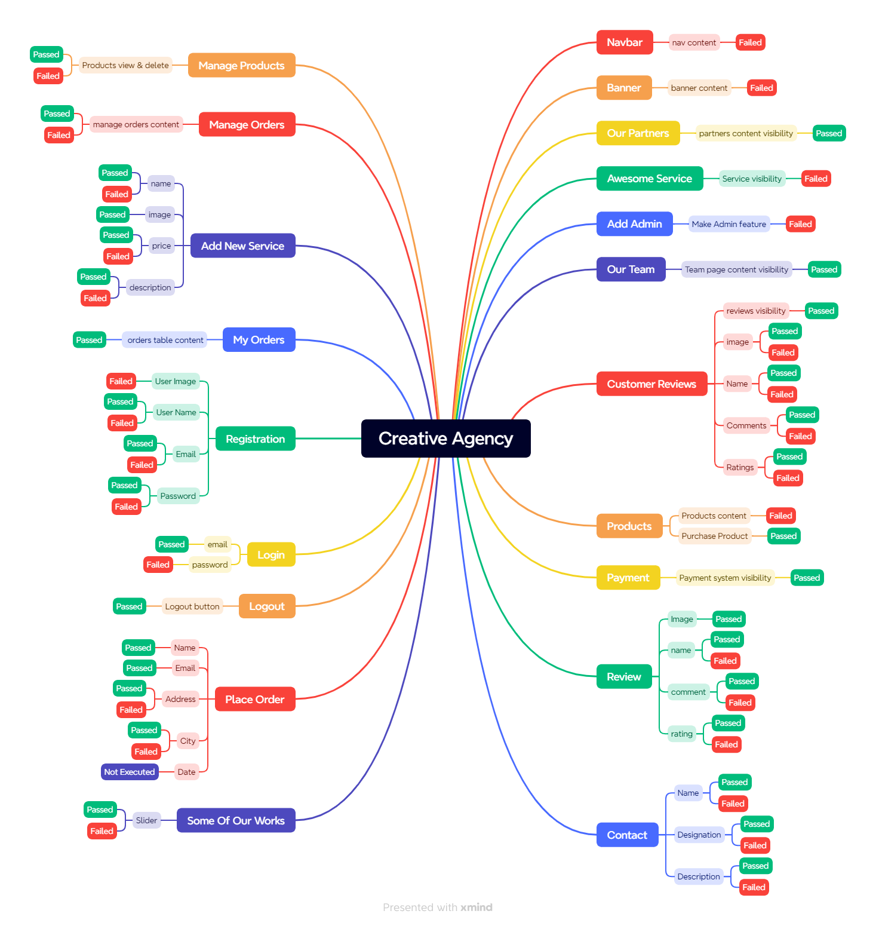
MINDMAP

